Annex
Section 1: Direct Emission Reductions | Section 2: Indirect Emission Reductions
Scenario 1: Before the Project | Scenario 1: Before the Project
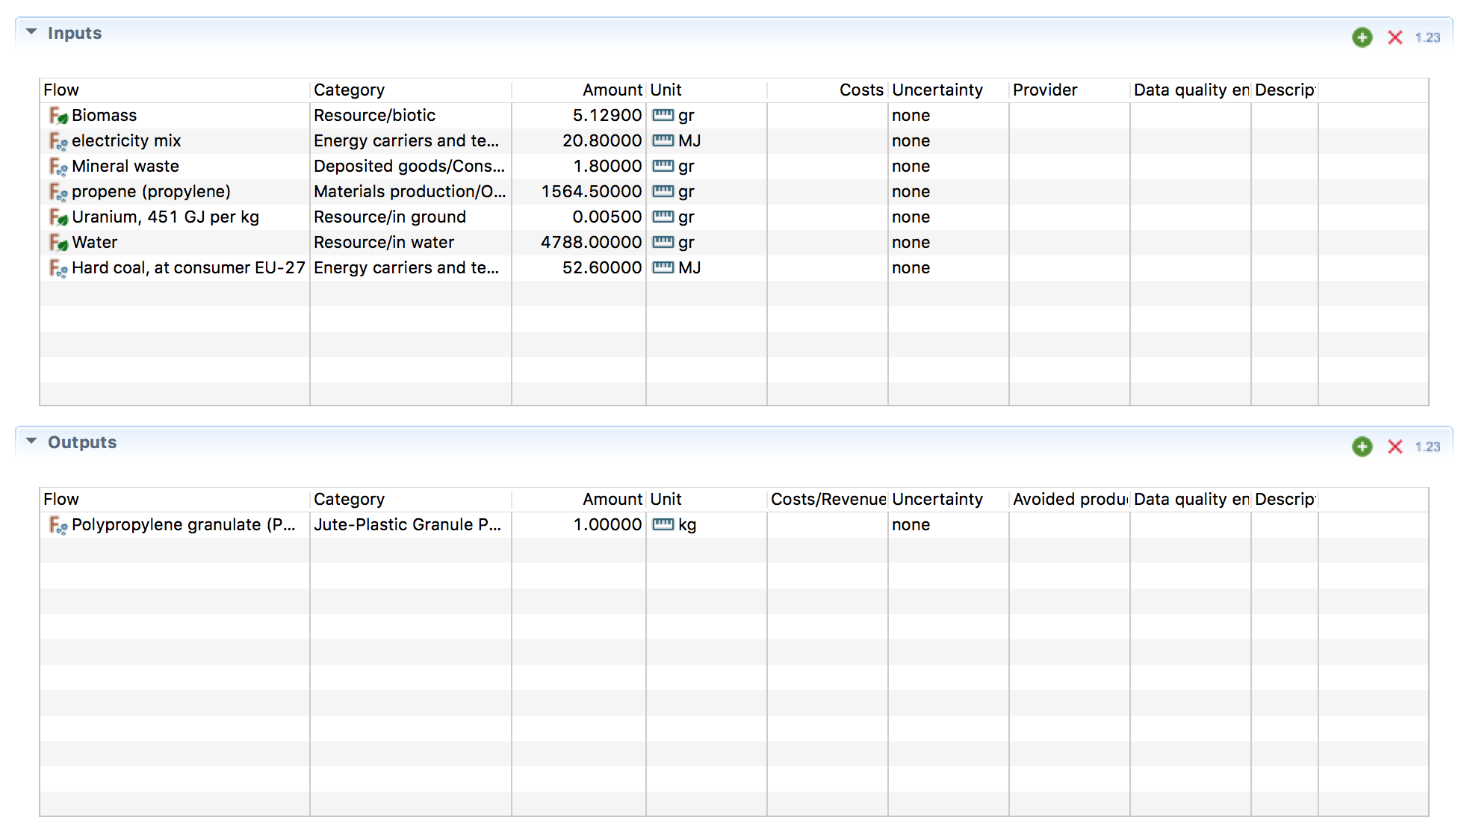
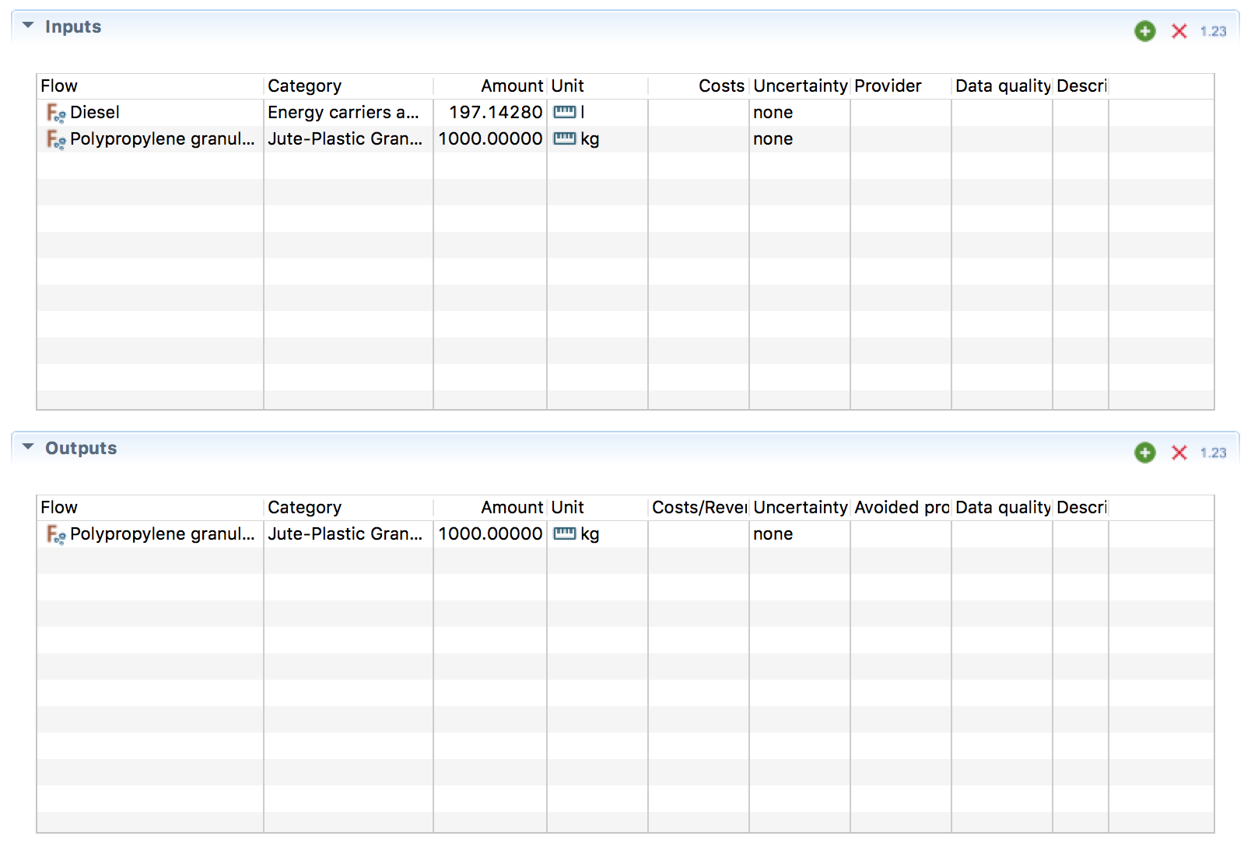

Scenario 2: After the project | Scenario 2: After the project
 | Jute Fiber | Jute Yarn
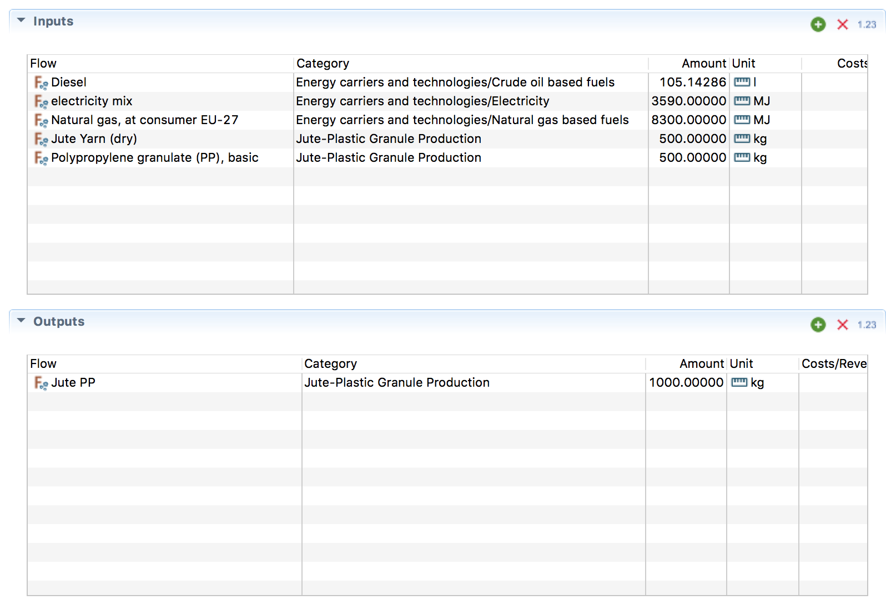
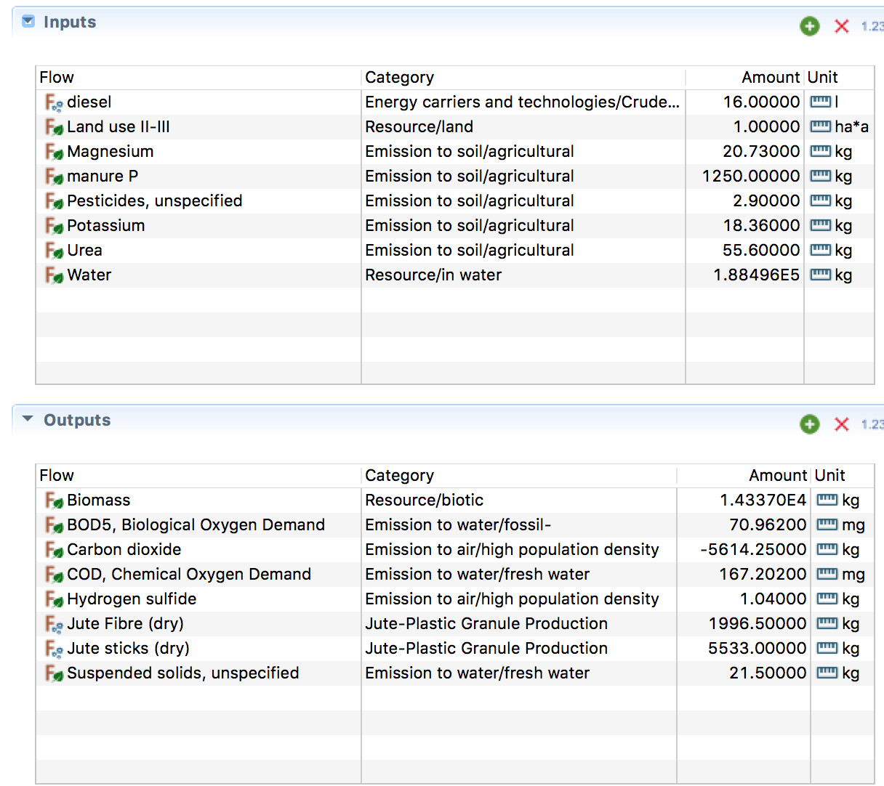
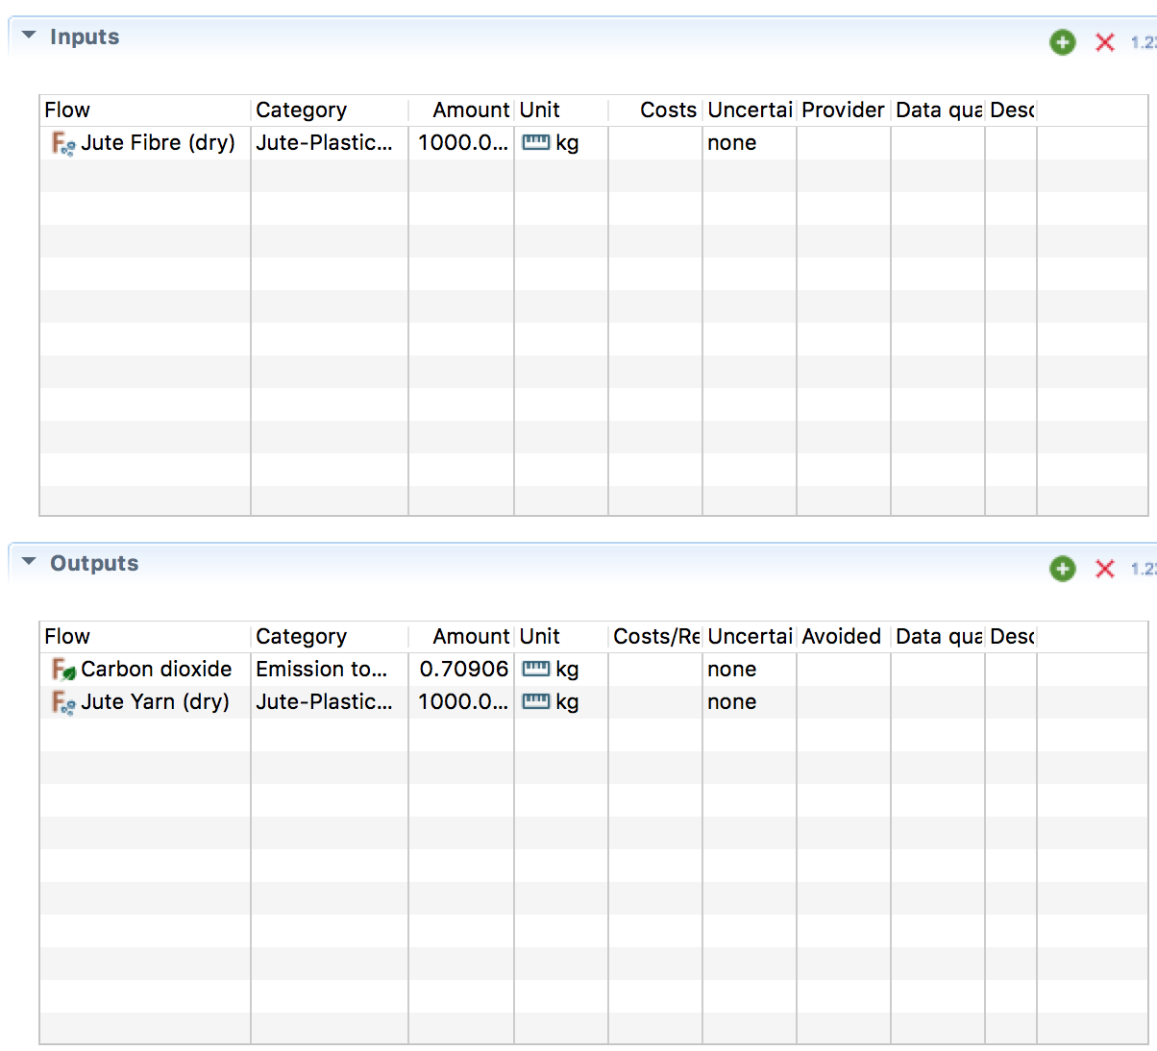

 | Polypropylene Granules (PP)
